1. Title Page
Instacart Grocery Basket Analysis

Project Name: Instacart Grocery Basket Analysis
Date: Sept. 4th, 2024
Analyst Name: Marzena Wodzisz

 | Contents:
 | Population Flow
 | Consistency checks
 | Wrangling steps
 | Column derivations
 | Visualizations
 | Recommendations

Data Citiation: |  | “The Instacart Online Grocery Shopping Dataset 2017”, Accessed from www.instacart.com/datasets/grocery-shopping-2017 via Kaggle on 8/14/2024.
 |  | Data explored in Exercises 4.9 and 4.10, as well as the “prices” column in the' products' data set, were both fabricated for the purpose of this project.

2. Population Flow
Title page

Population flow

Exclusion flag
Condition: max_order <
Obervations to be removed:
Final total count of order_products_all:

Orders_products_combined
Orders_products_merged
Orders_products_all

Total:32,404,859
Total: 32,434,489
Total: 32,404,859

1.) The grey boxes in the first row of the population flow represent the original data sets as they were when you downloaded them. In the Total fields you need to add the count of the rows when you imported the data set into Jupyter.
2.) The second row of boxes (coloured) represents the data sets after you manipulated them, e.g., removed missing values and duplicates. In the Total fields you need to add the count of the rows after conducting these operations. This offers a visual oveview of how the data flows throughout the data consistency checks.
3.) The third row, where also the arrows are coloured, represents the merges you performed between the datasets. In the Total fields you need to add the count of the rows in the merged datasets, so that you end up with the final dataset (in the red box). Keep in mind the final dataset should be without exclusions (based on the exclusion flag).

3. Consistency checks
 |  |  |  | Title page
Consistency checks

Dataset | Missing values | Missing values treatment | Duplicates
orders | 206209 in days_since_prior_order | changed to 0 indicating these values as no prior orders completed | no duplicates found
products | 16 in product_name | extracted a subset without missing values and names it df_prods_clean | 5 duplicates found
orders_products_prior | no missing values | n/a | no duplicates found
customers | no missing values | n/a | no duplicates found

4. Wrangling steps
 |  |  |  | Title page
Wrangling steps

Columns dropped | Columns renamed | Columns' type changed | Comment/Reason
eval_set |  |  | not relevant to analysis
 | order_dow has been changed to orders_day_of week |  | easier to understand
 |  | order_id data type changed to string | identifies order number, not used for calculations
 | days_since_prior_order changed to days_since_last_order |  | easier to understand
 | First Name ot first_name |  | for uniformity
 | Surnam to last_name |  | for uniformity
 | Gender to gender |  | for uniformity
 | STATE to state |  | for uniformity
 | Age to age |  | for uniformity
 | n_dependants to number_of_dependents |  | for uniformity and ease of understanding
 | fam_status to marital_status |  | for uniformity and ease of understanding
 |  | user_id data type changed to string | identifies order number, not used for calculations
first_name |  |  | PII
last_name |  |  | PII
 |  | first_name to string | there were mixed data types in this column, changed for uniformity
_merge |  |  | all _merge columns dropped after check
 | Unnamed changed to department_id |  | changed working with departments dataframe

5. Column derivations
 |  |  |  |  |  | Title page

Column derivations and aggregations

Dataset | New column | Column/s it was derived from | Conditions
ords_prods_merge | price_range_loc | prices | if price is <=5 then 'Low range product'
 |  |  | if price is >5 and <=15 then 'Mid range product'
 |  |  | if price is >15 then 'High range product'
ords_prods_merge | busiest_day | orders_day_of_week | if value=0 then "Busiest day"
 |  |  | if value=4 then "Least busy"
 |  |  | else "Regularly busy"
ords_prods_merge | busiest_days | orders_day_of_week | if value=0 or value=1 then "Busiest days"
 |  |  | if value=4 or value=3 then "Slowest days"
 |  |  | else "Regularly busy"
ords_prods_merge | busiest_period_of_day | orders_day_of_week | if value in [10, 11, 14, 15, 13, 12, 16,9] then "Most orders"
 |  |  | if value in [23, 6, 0, 1, 5, 2, 4, 3] then "Fewest orders"
 |  |  | else "Average orders"
ords_prods_merge | max_order | user_id, order_number | max order frequency grouped by customers
ords_prods_merge | loyalty_flag | max_order | if max_order is >40, then labeled as 'Loyal customer'
 |  |  | if max_order is <=40 and >10, then labeled as "Regular customer'
 |  |  | if max_order is <=10, then labeled as 'New customer'
ords_prods_merge | mean_price | user_id, prices | Average price of purchased product grouped by user_id
ords_prods_merge | spending_flag | mean_price | If avg_purchase_price <10, then labeled as 'Low spender',
 |  |  | If avg_purchase_price >=10, then labeled as 'High spender'
ords_prods_merge | median_days_between_orders | user_id, days_since_prior_order | median days since prior order grouped by user id
ords_prods_merge | frequency_flag | median_days_between_orders | If median_days >20, then labeled as 'Non-frequent customer'
 |  |  | If median_days >10 and <=20, then labeled as 'Regular customer'
 |  |  | If median_days <=10, then labeled as 'Frequent customer'
cust_ords_prods | region | state | northeast = ['Maine', 'New Hampshire', 'Vermont', 'Massachusetts', 'Rhode Island', 'Connecticut', 'New York', 'Pennsylvania', 'New Jersey']
 |  |  | midwest = ['Wisconsin', 'Michigan', 'Illinois', 'Indiana', 'Ohio', 'North Dakota', 'South Dakota', 'Nebraska', 'Kansas', 'Minnesota', 'Iowa', 'Missouri']
 |  |  | south = ['Delaware', 'Maryland', 'District of Columbia', 'Virginia', 'West Virginia', 'North Carolina', 'South Carolina', 'Georgia', 'Florida', 'Kentucky', 'Tennessee', 'Mississippi', 'Alabama', 'Oklahoma', 'Texas', 'Arkansas', 'Louisiana']
 |  |  | west = ['Idaho', 'Montana', 'Wyoming', 'Nevada', 'Utah', 'Colorado', 'Arizona', 'New Mexico', 'Alaska','Washington', 'Oregon', 'California', 'Hawaii']
cust_ords_prods | activity_level | max_order | if value < 5 then 'low-activity customer'
 |  |  | else 'high-activity customer'
cust_ords_prods_excluded | age_group | age | If age less than 25 then young adults. (0-24)
 |  |  | If age greater than or equal to 25 & less than 45 then adults. (25-44)
 |  |  | If age greater than or equal to 45 & less than 65 then middle age adults. (45-64)
 |  |  | If age greater than or equal to 65 then senior. (65+)
cust_ords_prods_excluded | income_group | income | If income less than 65,000 then 'Low income'
 |  |  | If income greater than or equal to 65,000 and less than 130,000 then 'Middle class'
 |  |  | If income greater than or equal to 130,000 then 'Upper Class'
cust_ords_prods_excluded | dependents_group | number_of_dependents | If number of dependents <=1 then 'Low'
 |  |  | If number of dependents =2 then 'Average'
 |  |  | If number of dependents >3 then 'Large'
cust_ords_prods_excluded | order_dow_weekend | orders_day_of_week | if orders_day_of_week in [0, 6] then 'Weekend'
 |  |  | else if orders_day_of_week in [1, 2, 3, 4, 5] then 'Weekday'
 |  |  | else 'No day assigned'
cust_ords_prods_excluded | dependents_flag | number_of_dependents | if number_of_dependents > 0 then 'Has dependents'
 |  |  | else 'No dependents'
cust_ords_prods_excluded | customer_profile | marital_status, dependents_flag | creates marital status and number of dependents column

 |  |  | price_range_loc | spending_flag | dependents_group
 |  |  | Mid-range product 21860860 | Low spender 31770614 | Low 15458787
 |  |  | Low-range product 10126321 | High spender 634245 | Large 7772516
 |  |  | High-range product 417678 | Name: count, dtype: int64 | Average 7733261
 |  |  | Name: count, dtype: int64 |  | Name: count, dtype: int64
 |  |  |  | frequency_flag
 |  |  | busiest_day | Frequent customer 21559853 | order_dow_weekend
 |  |  | Regularly busy 22416875 | Regular customer 7208564 | Weekday 20764650
 |  |  | Busiest day 6204182 | Non-frequent customer 3636437 | Weekend 10199914
 |  |  | Least busy 3783802 | NaN 5 | Name: count, dtype: int64
 |  |  | Name: count, dtype: int64 | Name: count, dtype: int64

 |  |  | busiest_days | activity_level | dependents_flag
 |  |  | Regularly busy 12916111 | high-activity customer 30964564 | Has dependents 23224883
 |  |  | Busiest days 11864412 | low-activity customer 1440295 | No dependents 7739681
 |  |  | Slowest days 7624336 | Name: count, dtype: int64 | Name: count, dtype: int64
 |  |  | Name: count, dtype: int64
 |  |  |  | age_group
 |  |  | busiest_period_of_day | Middle-Age Adult 9690051
 |  |  | Most orders 21118071 | Adult 9214451
 |  |  | Average orders 9997651 | Senior 8195544
 |  |  | Fewest orders 1289137 | Young Adult 3864518
 |  |  | Name: count, dtype: int64 | Name: count, dtype: int64

 |  |  | loyalty_flag | income_group
 |  |  | Regular customer 15876776 | Middle Class 16455313
 |  |  | Loyal customer 10284093 | Upper Class 7401414
 |  |  | New customer 6243990 | Low Income 7107837
 |  |  | Name: count, dtype: int64 | Name: count, dtype: int64

6. Visualizations
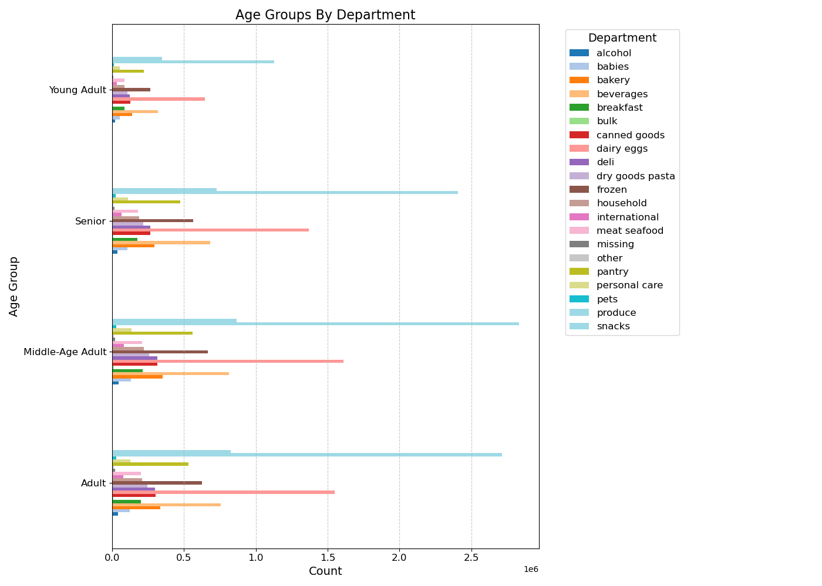
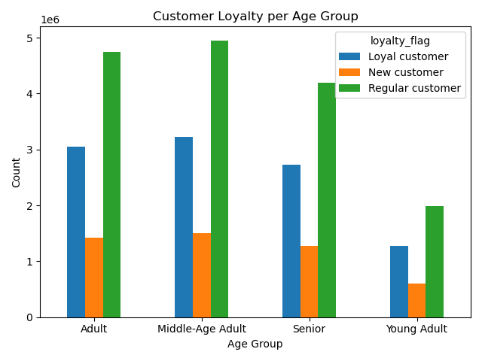
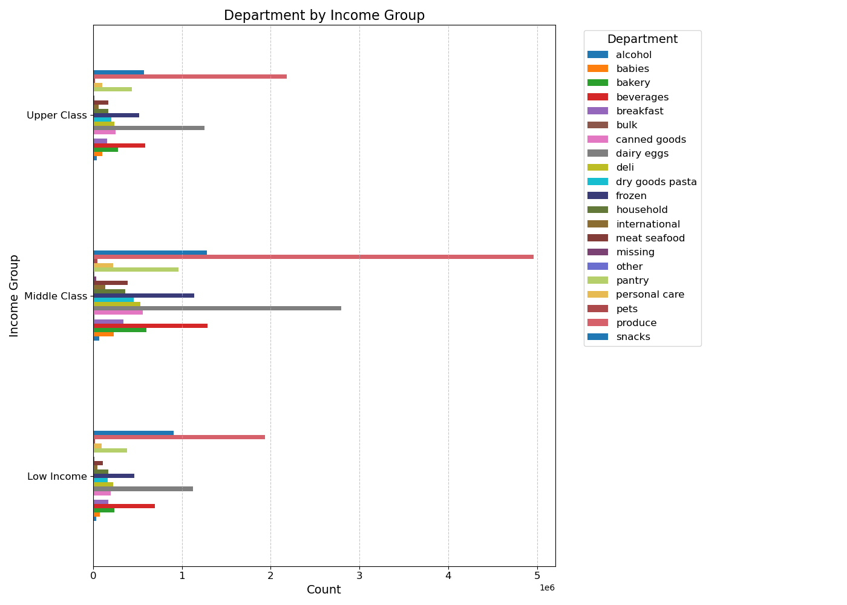
 | Title page

Visualisations

Key Questions:
The sales team needs to know what the busiest days of the week and hours of the day are (i.e., the days and times with the most orders) in order to schedule ads at times when there are fewer orders
They also want to know whether there are particular times of the day when people spend the most money, as this might inform the type of products they advertise at these times

Comments:
The bar graph on the left shows that Sunday, Monday, and Saturday are the busiest days of the week.
Wednesday and Thursday show to be the least busy days
The highest number of orders occurs between 9am and 4pm with fewer orders placed in the early mornings and late at night.
In comparison, the highest number of orders are placed on weekdays, however this could be due to the fact that more days are being combined into a weekday group vs. weekend group.

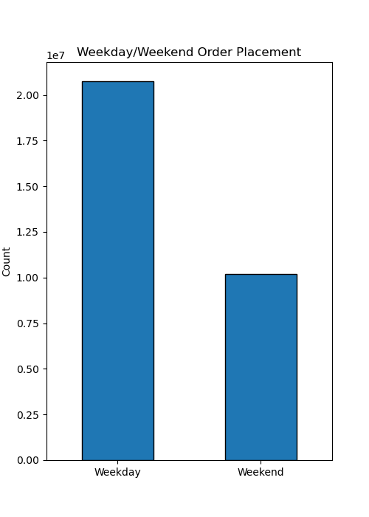

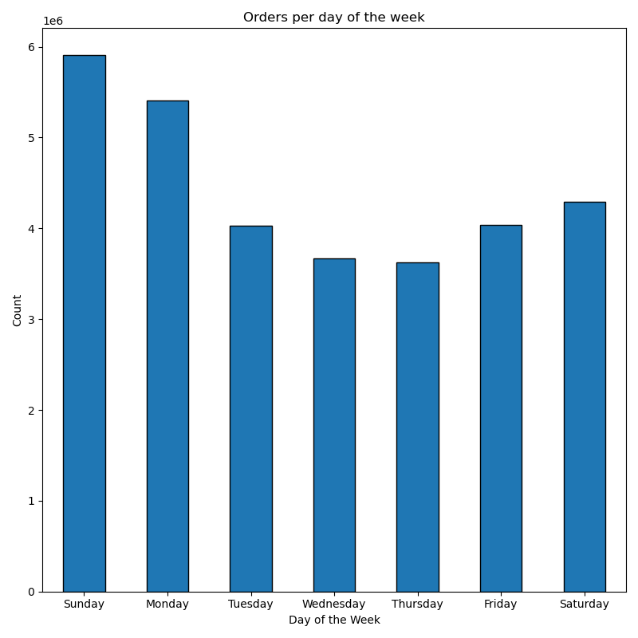
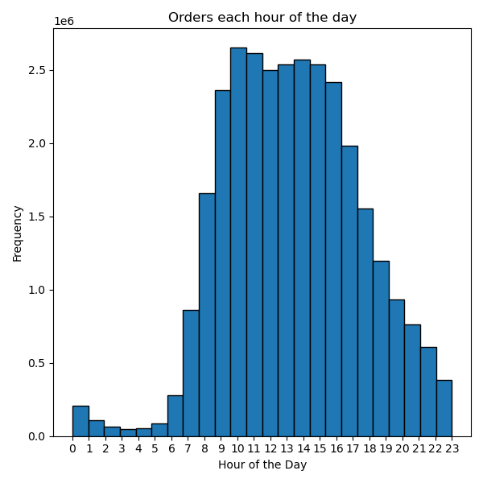

Key Question:
Instacart has a lot of products with different price tags. Marketing and sales want to use simpler price range groupings to help direct their efforts

Comments:
Based on the graph, the favored products being sold are in the 'mid-range priced' range.
High-range' priced products appear to be least favored/sold products.

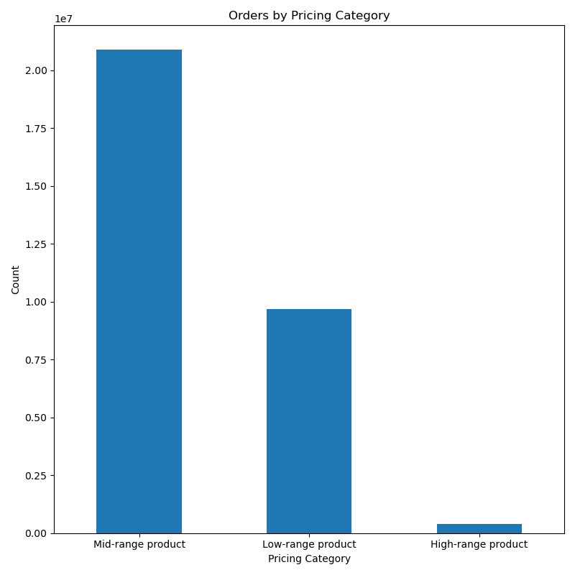

Key Question:
Are there certain types of products that are more popular than others? The marketing and sales teams want to know which departments have the highest frequency of product orders.

Comments:
Based on the graph below, the top 5 products come from these departments: produce, dairy eggs, snacks, beverages and frozen. Bulk and other appear to be the least sold departments.
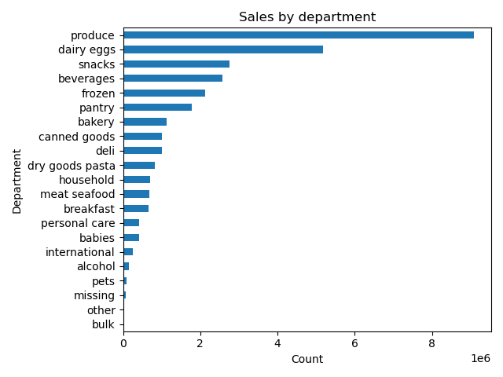

Key Question:
What’s the distribution among users in regards to their brand loyalty (i.e., how often do they return to Instacart)
Are there differences in ordering habits based on a customer’s loyalty status?

Comments:
It appears that half of Instacart's customers are regular customers and return to Instacart frequently but they are not loyal customers
New customers make up 15.5% of total customers, showing a potential for significant growth and gain in 'regular customer'

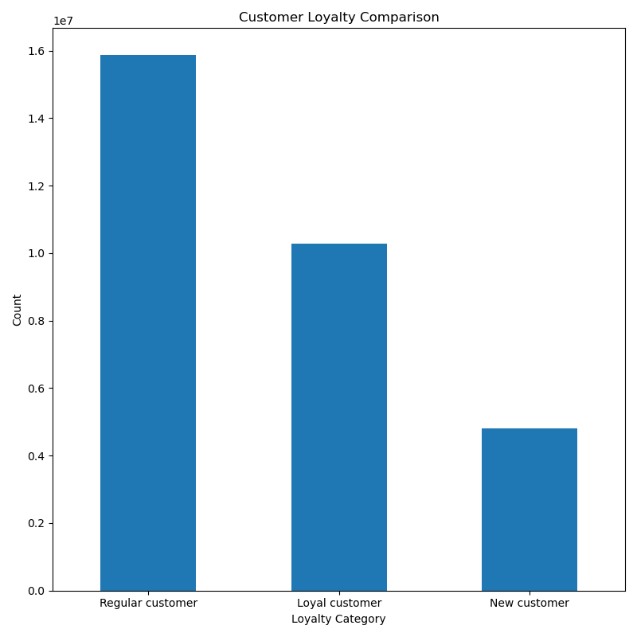
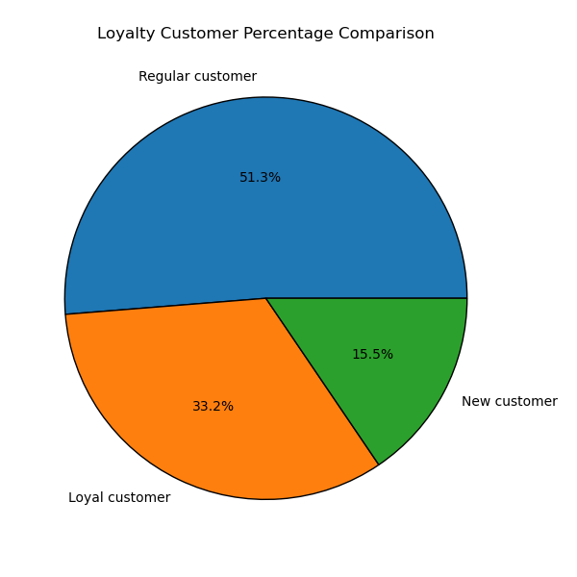

Key Question:
Are there differences in ordering habits based on a customer’s region?

Comments:
In all regions, frequent customers are the most commonly occuring type of customer, however in the South, frequent customers have the highest number.
Based on the age group, customers in the South region appear to be most prominent.
Based on the income group, Middle class customers appear to be the most prominent in the South and West, while Low income and Upper class numbers are very close to each oher
Additionally, based on the dependent number, South is the region with the highest number. Customers with low number of dependents are the most promninent in the South.

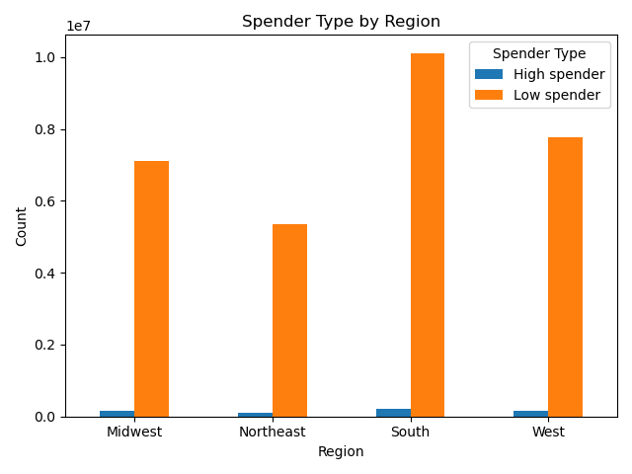
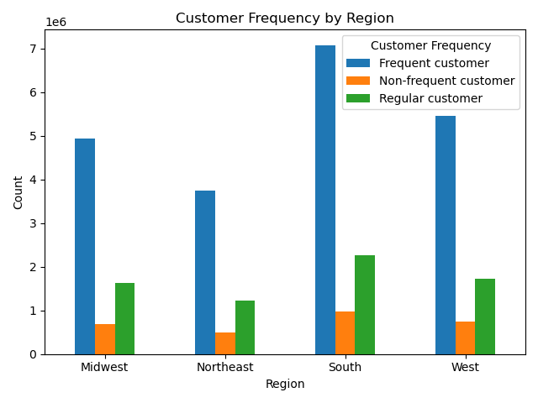
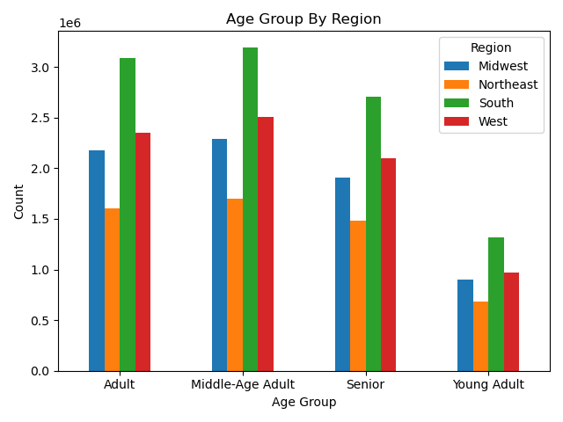

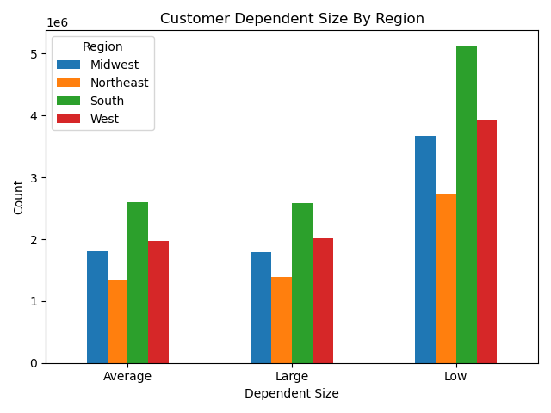
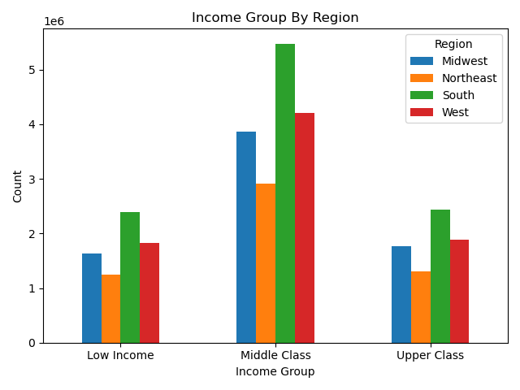

Key Question:
Is there a connection between age and family status in terms of ordering habits?

Comments:
Based on customer age and frequency,adults (26-44 years old) and middle-aged adults (45-64years old) are the most commonly occuring customers
Additionally, married individuals with dependents are the most common customers of Instacart with a number way higher than any other groups.
It doesn't seem like there is a clear relationship between number of dependents and age.

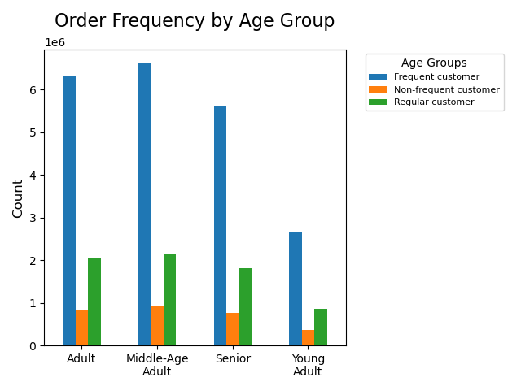
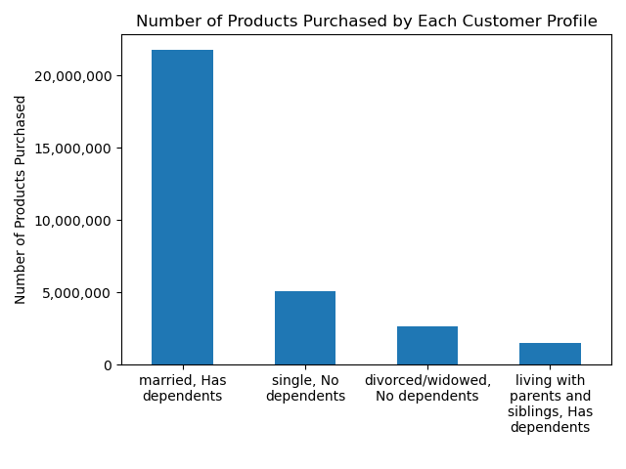



Key Question:
What different classifications does the demographic information suggest? Age? Income? Certain types of goods? Family status?

Comments:
Based on the age group pie chart and bar graph, we can see that the most common age group to purchase through Instacart are middle aged adults, following closely by adults group which are individuals between 26 and 44 years of age
Based on the scatterplot, we can see that customers over age of 40 have a higher income which may confirm our observation of the middle aged adults being our most prominent customers
Additionally, we can see that the highest group of customers are middle class customers which confirms our observations of the income from the scatterplot.
Lastly, our customers have low number of dependents (meaning one or less dependents).
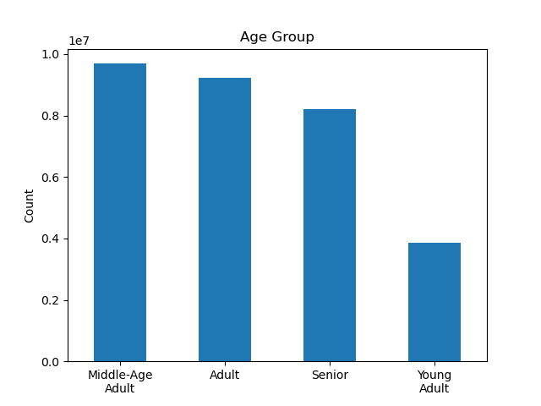

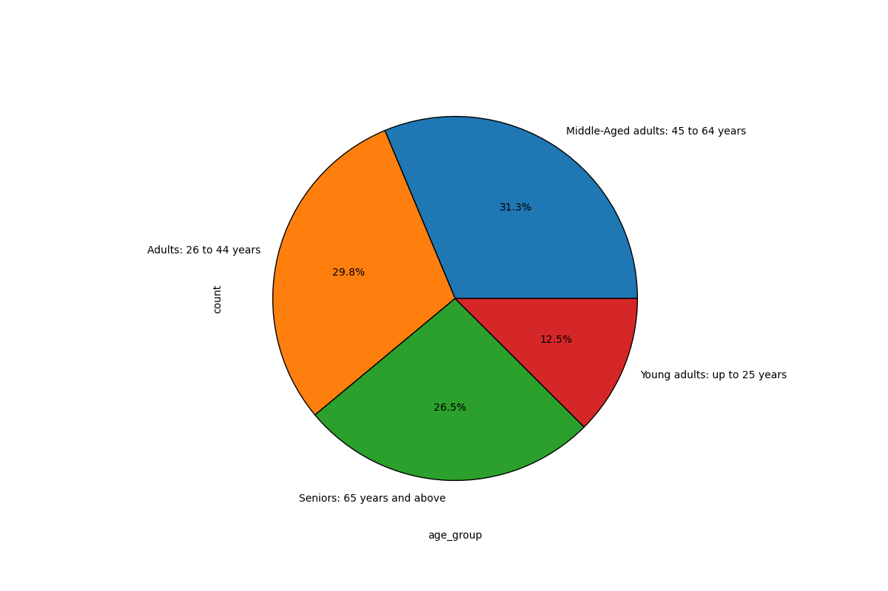

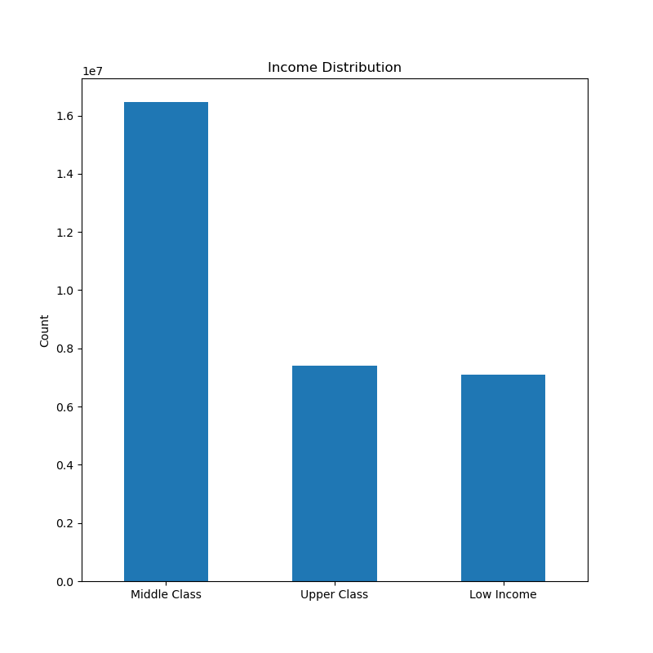

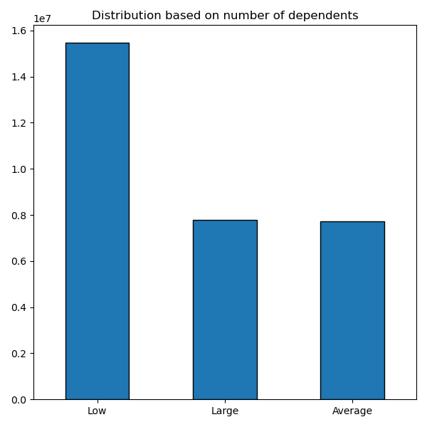
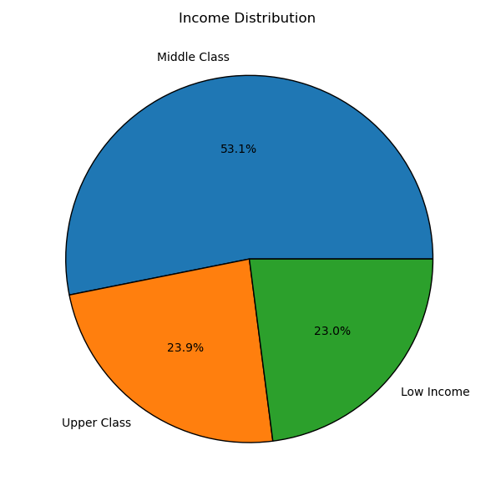

Key Question:
What differences can you find in ordering habits of different customer profiles? Consider the price of orders, the frequency of orders, the products customers are ordering, and anything else you can think of.

Comments:
Instacart's most regular customers are individuals between 26 and 64 years old. This lets us know, that there is a huge variety of customers.
Looking at the 'Age groups by department' graph, we can see that most commonly sold producs are produce and snack for each age groups. Middle aged and adults seem to be purchasing the most of those products.
Based on the income group, middle class makes up majority of the department sales with produce being the most commonly purchased items with dairy/eggs being the second.
In each of the income groups, produce and dairy/eggs are the most common purchased items.

7. Recommendations
 |  | Title page

Recommendations

Question | Answer
What are the busiest days of the week and hours of the day? | The busiest days of the week are Sunday, Monday, and Saturday between the hours of 9am and 4pm. The least busy time of day is 12am to 5am. Instacart should schedule ads on the slowest day (Wednesday) between hours of 6am and 8am and 5pm and 10pm to increase orders during those hours.

What times of the day people spend the most money? | People spend the most money between 9am and 4pm with 10 am being the peak order hour. Instacart should focus on advertising specific products during that time. Additionally, they could incorporate early morninig promotions or discounts to increase orders during morning hours on slower days like Wednesday and Thursday.

Instacart has a lot of products with different price tags. Marketing and sales want to use simpler price range groupings to help direct their efforts. | The groups of product pricing have been shown to simplify pricing for Instacart. These groups are Low-range, Mid-range, and High-range products.

Are there certain types of products that are more popular than others? | The top 5 product departments are produce, dairy/eggs, snacks, beverages, and frozen foods. Offering promotions on these categories would maintain high sales of these products. Additionally, advertising the products with the least amount sales such as bulk, pets, or international could be beneficial to increase sales and avoid the products expiring on the shelves.

What’s the distribution among users in regards to their brand loyalty (i.e., how often do they return to Instacart)? | Increasing engagement with regular customer (the highest customer base) could be beneficial in regular customers becoming loyal customers. Additionally, with a decent amount of new customers, creating new customer incentives, could help new customers become regular customers or even loyal customers.

Are there differences in ordering habits based on a customer’s loyalty status? | Middle class customers are the highest purchasing customers and young adults being the least frequent customers. Advertising mid range products to middle class, would increase sales and maintain the customer base. Loyalty rewards or incentives on high-range products could encourage higher spending in the future.

Are there differences in ordering habits based on a customer’s region? | Increasing advertisements and incentives in the Northeast region could increase sales and revenue in the region.

Is there a connection between age and family status in terms of ordering habits? | Developing new marketing strategies for low number of dependents households would increase product sales. Advertising bulk products to families with large number of dependents would increase sales in both bulk department and large number of dependents family category. Due to seniors often having trouble with technology, developing a virtual shopping assistant might be beneficial.

What different classifications does the demographic information suggest? Age? Income? Certain types of goods? Family status? | Focusing on marketing to middle-aged adults will maintain high base of middle ages customers. Developing marketing strategies for the upper class would be beneficial. Additionally, developing user based advertisements (i.e. advertising higher priced items to upper class) would increase sales for those categories.

What differences can you find in ordering habits of different customer profiles? Consider the price of orders, the frequency of orders, the products customers are ordering, and anything else you can think of. | Direct marketing efforts towards high-income senior demographics across all regions. These customers consistently exhibit high spending in every product department sector, making them ideal candidates for advertisting and loyalty programs. Expand offerings for busy families with multiple dependents. Products could include meal kits, bulk product promotions or even subscirption services for certain products.

